basic_DNN(FF)_IDS
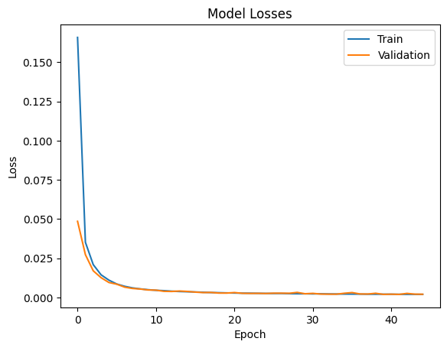
from | dataPreprocessed.csv |  |  | con shape | ((2099769, 35), (2099769, 6)) |  | ovvero X e y: | 35 features e 6 classi di traffico

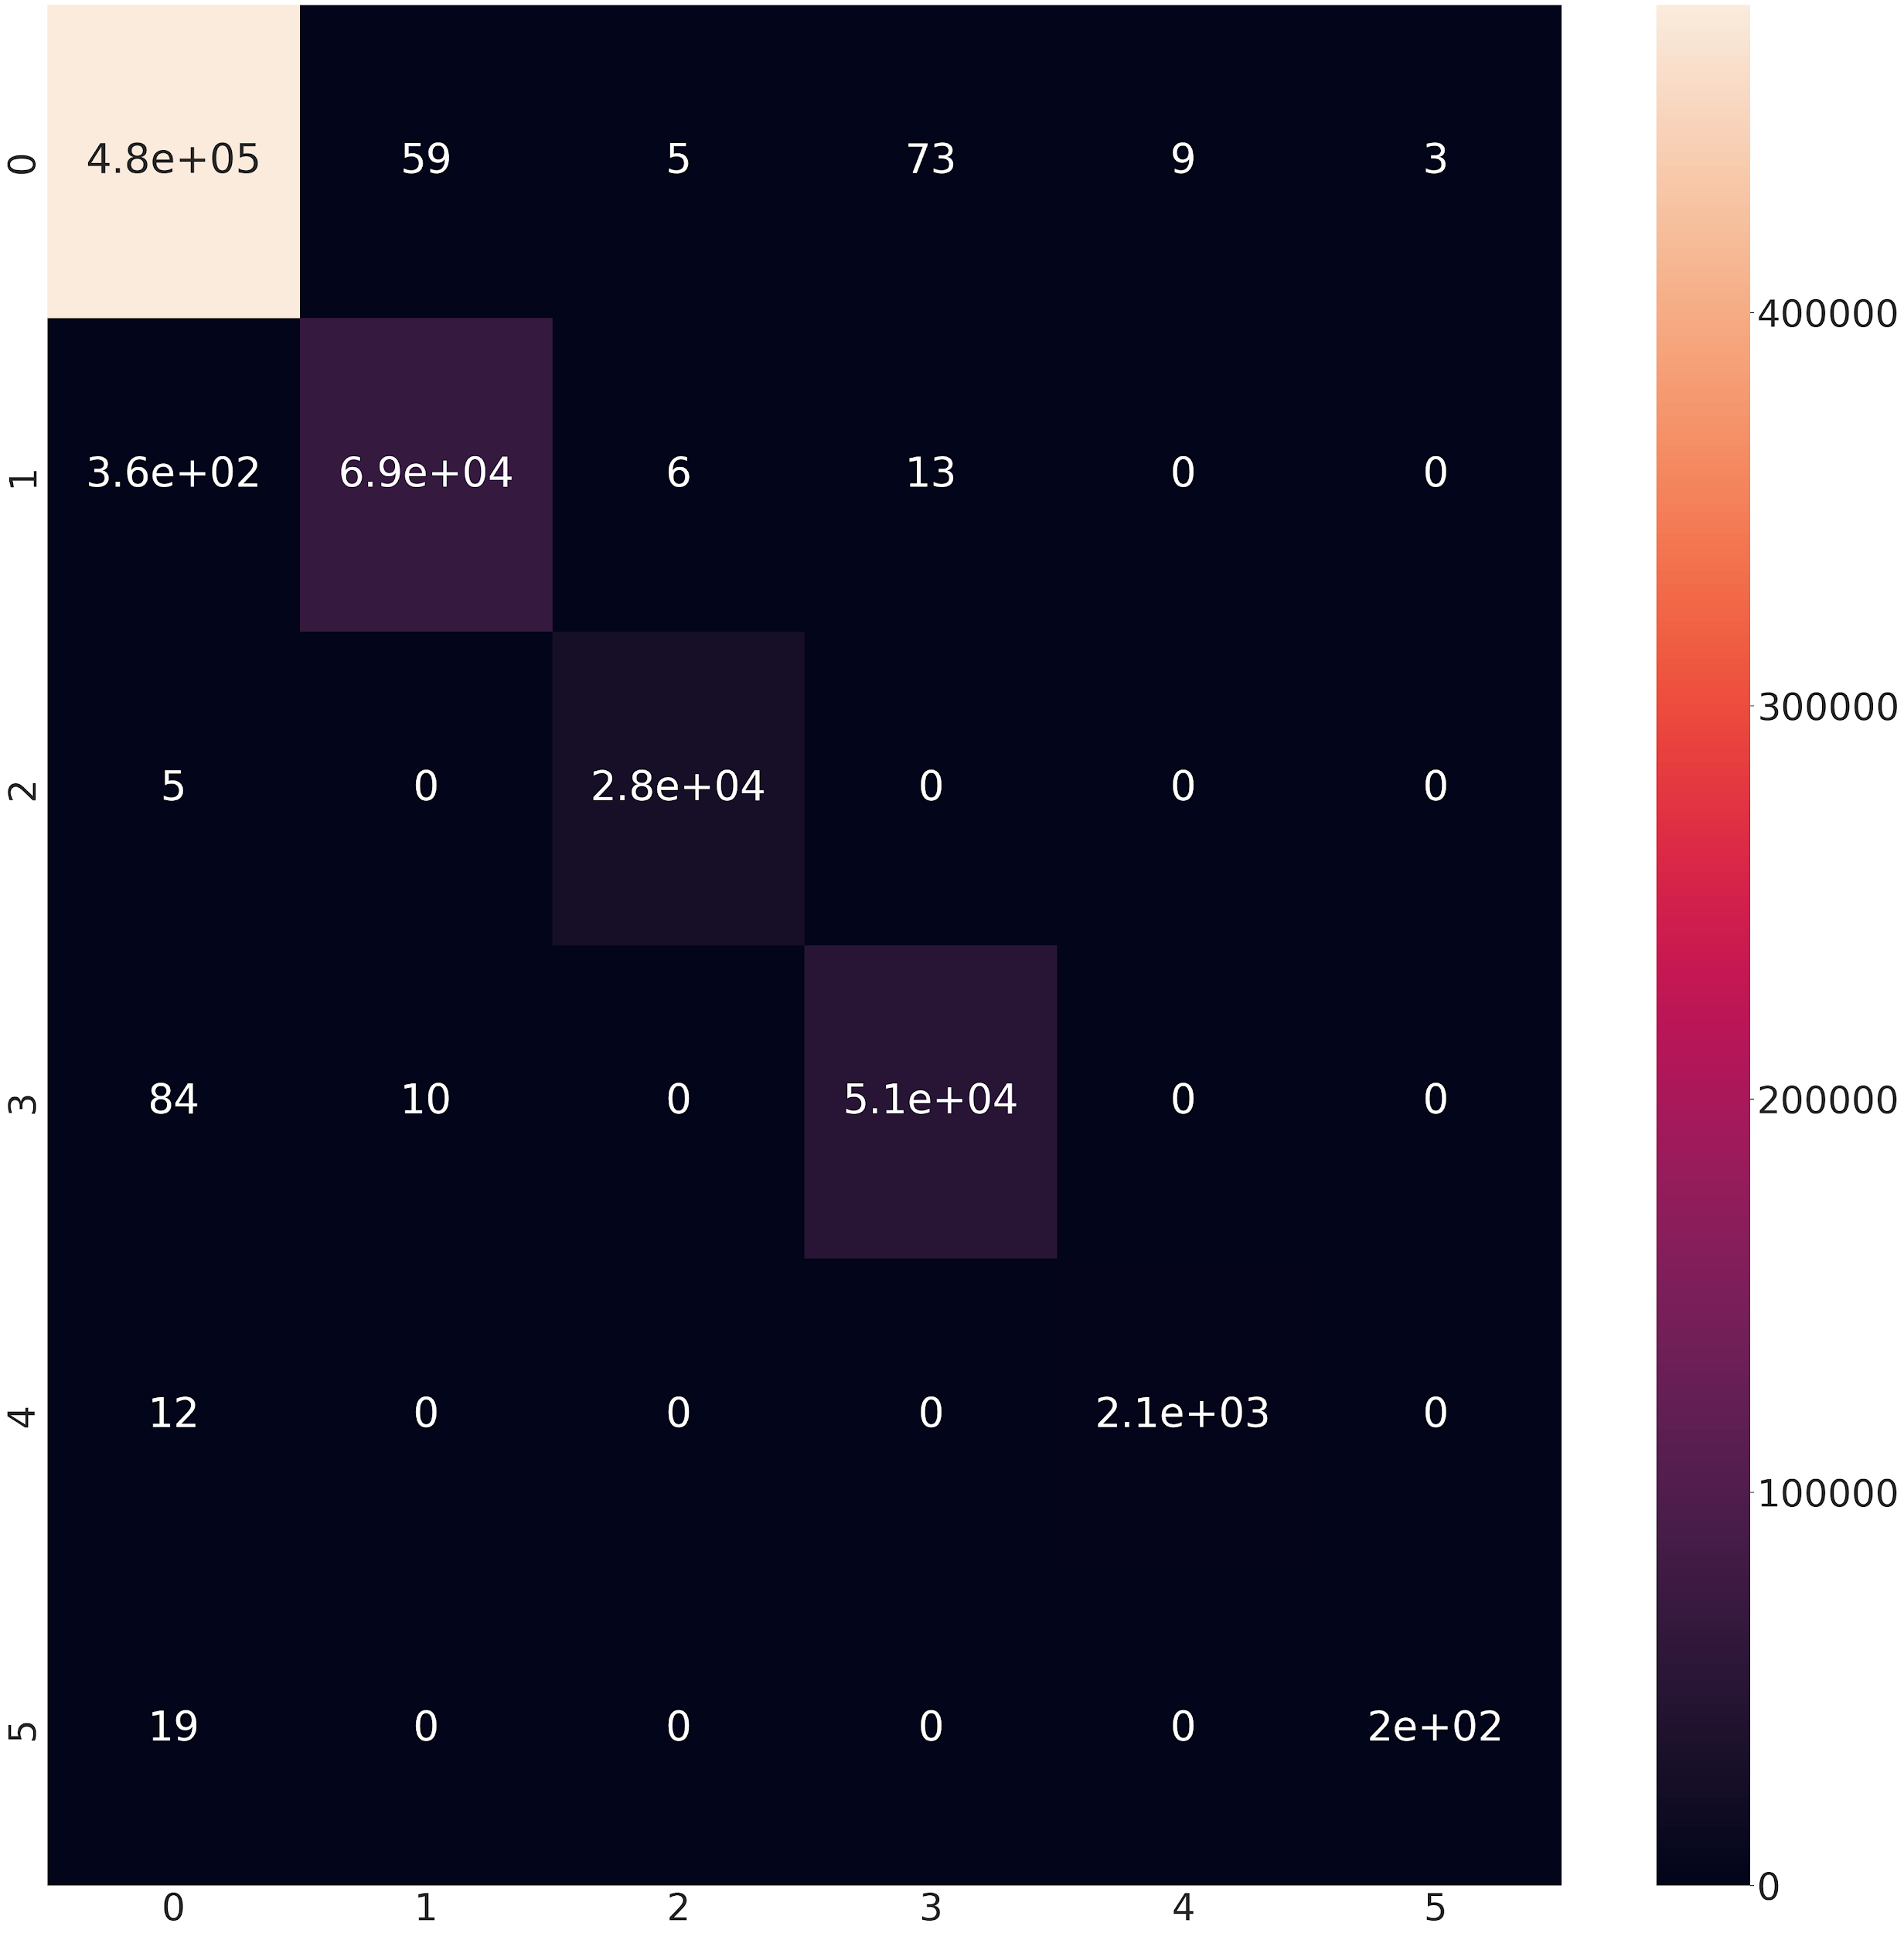
 |  | ESPERIMENTO #1
 |  | Obiettivo: |  |  |  |  |  |  |  |  |  | BENIGN | 1594422
 |  |  |  | random_state=5 | (per ripetibilità) | X_train.shape, y_train.shape, X_test.shape, y_test.shape = ((1469838, 35), (1469838, 6), (629931, 35), (629931, 6)) |  |  |  |  |  | Infiltration_Portscan | 230853
 |  | Hyper_prms |  |  |  |  |  |  | TRAIN: loss: 0.0050 - accuracy: 0.9990 |  |  | DoS | 171620
 | epochs | 25 |  |  |  |  |  |  | VALID: val_loss: 0.0050 - val_accuracy: 0.9990 |  |  | DDoS | 95133
 | batch_size | 1024 |  |  |  |  |  |  |  |  |  | BruteForce | 7005
 | validation_split | 0.2 |  | Model: "sequential" _________________________________________________________________ Layer (type) Output Shape Param # ================================================================= dense (Dense) (None, 24) 864 dense_1 (Dense) (None, 18) 450 dense_2 (Dense) (None, 6) 114 ================================================================= Total params: 1428 (5.58 KB) Trainable params: 1428 (5.58 KB) Non-trainable params: 0 (0.00 Byte) |  |  |  |  | Test Loss: 0.00499 Test Accuracy: 0.9989 |  |  | Botnet | 736
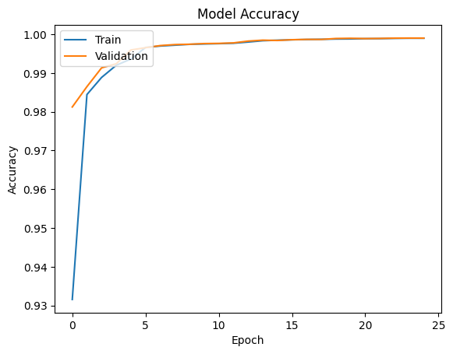
 | verboe | 2
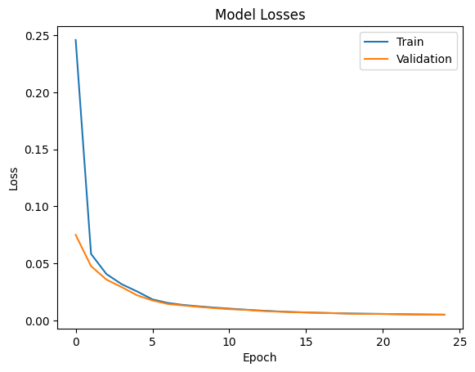
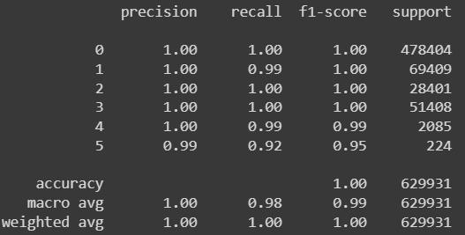
 | evaluate: batch_size | 256

 | train_ratio | 0.7
 | test_ratio | 0.3

 |  |  |  | CODICE MODELLO

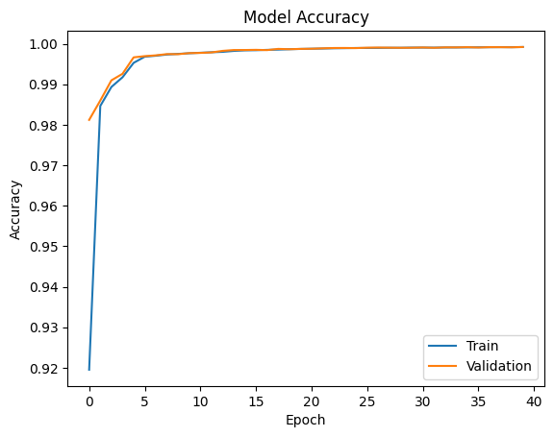
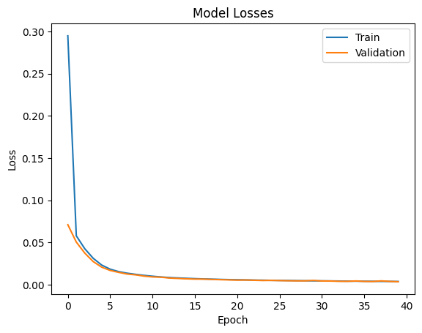
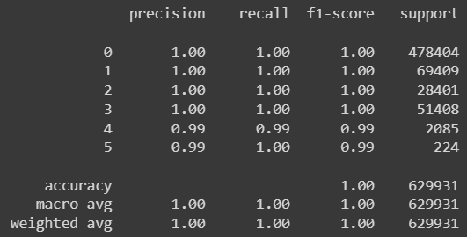


 |  | ESPERIMENTO #2
 |  | Obiettivo:
 |  |  |  | random_state=5 | (per ripetibilità) | X_train.shape, y_train.shape, X_test.shape, y_test.shape = ((1469838, 35), (1469838, 6), (629931, 35), (629931, 6)) |  |  | TRAIN: loss: 0.0039 - accuracy: 0.9992
 |  | Hyper_prms |  |  |  |  |  |  | VALID: val_loss: 0.0036 - val_accuracy: 0.9992
 | epochs | 40
 | batch_size | 1024 |  |  |  |  |  |  | Test Loss: 0.00381 Test Accuracy: 0.9992
 | validation_split | 0.2 |  | Model: "sequential" _________________________________________________________________ Layer (type) Output Shape Param # ================================================================= dense (Dense) (None, 24) 864 dense_1 (Dense) (None, 18) 450 dense_2 (Dense) (None, 6) 114 ================================================================= Total params: 1428 (5.58 KB) Trainable params: 1428 (5.58 KB) Non-trainable params: 0 (0.00 Byte)
 | verboe | 2

 | evaluate: batch_size | 256

 | train_ratio | 0.7 |  |  |  |  |  |  |  |  |  |  | BENIGN | 1594422
 | test_ratio | 0.3 |  |  |  |  |  |  |  |  |  |  | Infiltration_Portscan | 230853
 |  |  |  |  |  |  |  |  |  |  |  |  | DoS | 171620
 |  |  |  |  |  |  |  |  |  |  |  |  | DDoS | 95133
 |  |  |  |  |  |  |  |  |  |  |  |  | BruteForce | 7005
 |  |  |  |  |  |  |  |  |  |  |  |  | Botnet | 736

 |  |  |  | Valutazione complessiva, migliorato? |  | TRUE
 |  |  |  |  | peggiorato? | FALSE

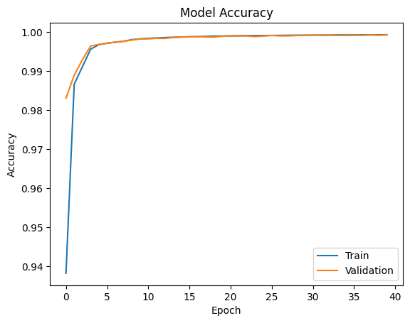
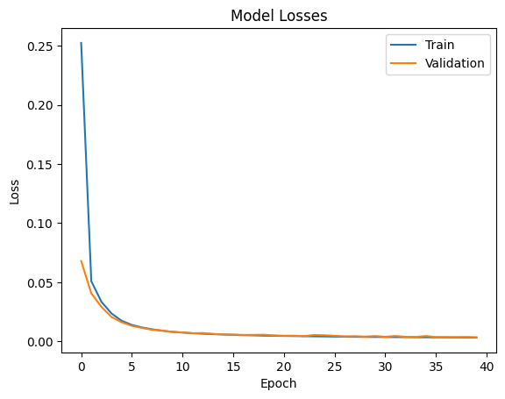
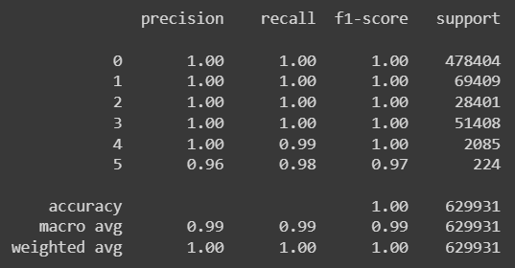

 |  | ESPERIMENTO #3
 |  | Obiettivo:
 |  |  |  | random_state=5 | (per ripetibilità) | X_train.shape, y_train.shape, X_test.shape, y_test.shape = ((1469838, 35), (1469838, 6), (629931, 35), (629931, 6)) |  |  | TRAIN: loss: 0.0033 - accuracy: 0.9994
 |  | Hyper_prms |  |  |  |  |  |  | VALID: val_loss: 0.0035 - val_accuracy: 0.9993
 | epochs | 40
 | batch_size | 1024 |  |  |  |  |  |  | Test Loss: 0.003327 Test Accuracy: 0.9992
 | validation_split | 0.15 |  | Model: "sequential" _________________________________________________________________ Layer (type) Output Shape Param # ================================================================= dense (Dense) (None, 24) 864 dense_1 (Dense) (None, 18) 450 dense_2 (Dense) (None, 6) 114 ================================================================= Total params: 1428 (5.58 KB) Trainable params: 1428 (5.58 KB) Non-trainable params: 0 (0.00 Byte)
 | verbose | 2

 | evaluate: batch_size | 256

 | train_ratio | 0.7
 | test_ratio | 0.3

 |  |  |  | Valutazione complessiva, migliorato? |  | TRUE
 |  |  |  |  | peggiorato? | FALSE

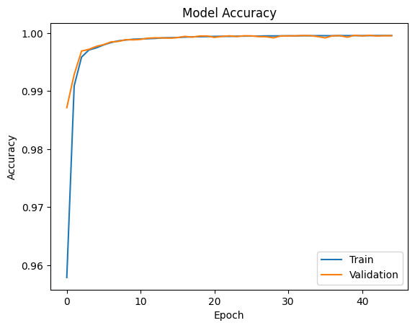
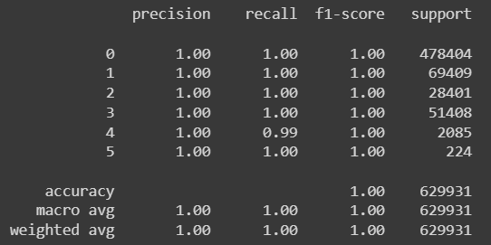

 |  | ESPERIMENTO #4
 |  | Obiettivo:
 |  |  |  | random_state=5 | (per ripetibilità) | X_train.shape, y_train.shape, X_test.shape, y_test.shape = ((1469838, 35), (1469838, 6), (629931, 35), (629931, 6)) |  |  | TRAIN: loss: 0.0019 - accuracy: 0.9996
 |  | Hyper_prms |  |  |  |  |  |  | VALID: val_loss: 0.0021 - val_accuracy: 0.9996
 | epochs | 45
 | batch_size | 1024 |  |  |  |  |  |  | Test Loss: 0.002050 Test Accuracy: 0.9995
 | validation_split | 0.15 |  | Model: "sequential" _________________________________________________________________ Layer (type) Output Shape Param # ================================================================= dense (Dense) (None, 64) 2304 dense_1 (Dense) (None, 32) 2080 dense_2 (Dense) (None, 6) 198 ================================================================= Total params: 4582 (17.90 KB) Trainable params: 4582 (17.90 KB) Non-trainable params: 0 (0.00 Byte)
 | verbose | 2

 | evaluate: batch_size | 256

 | train_ratio | 0.7
 | test_ratio | 0.3

 |  |  |  | Valutazione complessiva, migliorato? |  | TRUE
 |  |  |  |  | peggiorato? | FALSE

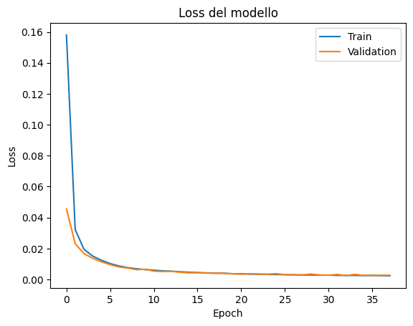
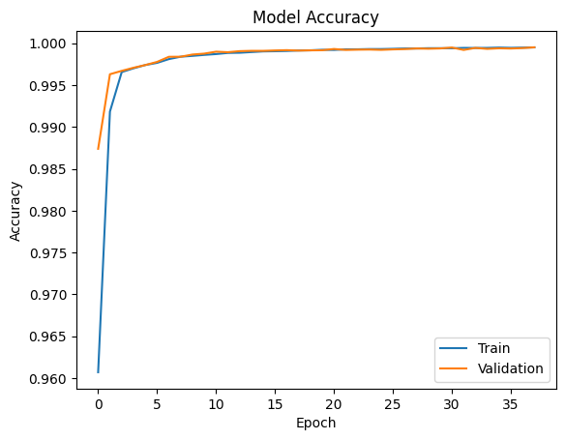


 |  | ESPERIMENTO #5
 |  | Obiettivo:
 |  |  |  | random_state=5 | (per ripetibilità) | X_train.shape, y_train.shape, X_test.shape, y_test.shape = ((1469838, 35), (1469838, 6), (629931, 35), (629931, 6)) |  |  | TRAIN: loss: 0.0024 - accuracy: 0.9995
 |  | Hyper_prms |  |  |  |  |  |  | VALID: val_loss: 0.0027 - val_accuracy: 0.9995
 | epochs | 40
 | batch_size | 1024 |  |  |  |  |  |  | Test Loss: 0.002513026 Test Accuracy: 0.999444
 | validation_split | 0.15 |  | Model: "sequential" _________________________________________________________________ Layer (type) Output Shape Param # ================================================================= dense (Dense) (None, 64) 2304 dense_1 (Dense) (None, 32) 2080 dense_2 (Dense) (None, 6) 198 ================================================================= Total params: 4582 (17.90 KB) Trainable params: 4582 (17.90 KB) Non-trainable params: 0 (0.00 Byte)
 | verbose | 2
 | early_stopping_patience | 5 | FERMATO A 38 EPOCHE
 | evaluate: batch_size | 256
 |  |  |  |  |  |  |  |  | ROC-AUC for class 0: | 0.9999461303558
 | train_ratio | 0.7 |  |  |  |  |  |  | ROC-AUC for class 1: | 0.9999213407751
 | test_ratio | 0.3 |  |  |  |  |  |  | ROC-AUC for class 2: | 0.9999996566389
 |  |  |  |  |  |  |  |  | ROC-AUC for class 3: | 0.9999963275255
 |  |  |  |  |  |  |  |  | ROC-AUC for class 4: | 0.9995789097070
 |  |  |  |  |  |  |  |  | ROC-AUC for class 5: | 0.9999998014950
 |  |  |  |  |  |  |  |  | Micro-average ROC-AUC: | 0.9999070277495

 |  |  |  | Valutazione complessiva, migliorato? |  | FALSE
 |  |  |  |  | peggiorato? | TRUE

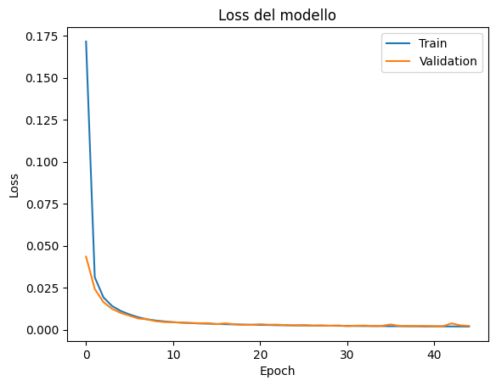
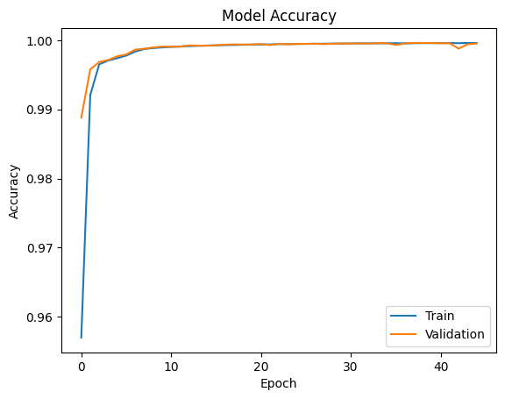



 |  | ESPERIMENTO #6
 |  | Obiettivo:
 |  |  |  | random_state=5 | (per ripetibilità) | X_train.shape, y_train.shape, X_test.shape, y_test.shape = ((1469838, 35), (1469838, 6), (629931, 35), (629931, 6)) |  |  | TRAIN: loss: 0.0019 - accuracy: 0.9996
 |  | Hyper_prms |  |  |  |  |  |  | VALID: val_loss: 0.0023 - val_accuracy: 0.9995
 | epochs | 45
 | batch_size | 1024 |  |  |  |  |  |  | Test Loss: 0.002211080 Test Accuracy: 0.999538
 | validation_split | 0.15 |  | Model: "sequential" _________________________________________________________________ Layer (type) Output Shape Param # ================================================================= dense (Dense) (None, 64) 2304 dense_1 (Dense) (None, 32) 2080 dense_2 (Dense) (None, 6) 198 ================================================================= Total params: 4582 (17.90 KB) Trainable params: 4582 (17.90 KB) Non-trainable params: 0 (0.00 Byte)
 | verbose | 2
 | early_stopping_patience | 10 | FERMATO A 45 tot EPOCHE
 | evaluation_batch_size | 256
 |  |  |  |  |  |  |  |  | ROC-AUC for class 0: | 0.9999606940011
 | train_ratio | 0.7 |  |  |  |  |  |  | ROC-AUC for class 1: | 0.9999538223631
 | test_ratio | 0.3 |  |  |  |  |  |  | ROC-AUC for class 2: | 0.9999999621870
 |  |  |  |  |  |  |  |  | ROC-AUC for class 3: | 0.9999943258248
 |  |  |  |  |  |  |  |  | ROC-AUC for class 4: | 0.9999604547973
 |  |  |  |  |  |  |  |  | ROC-AUC for class 5: | 1.0000000000000
 |  |  |  |  |  |  |  |  | Micro-average ROC-AUC: | 0.9999782098622

 |  |  |  | Valutazione complessiva, migliorato? |  | TRUE
 |  |  |  |  | peggiorato? | FALSE

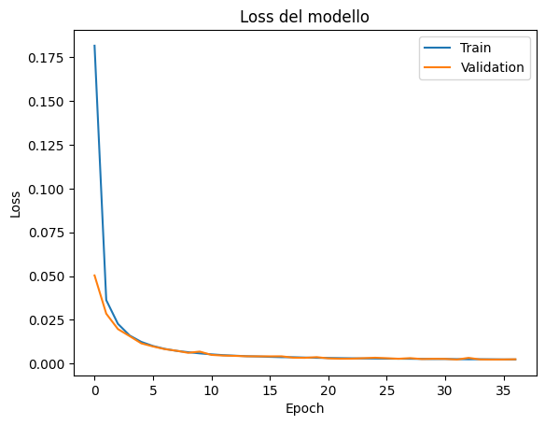
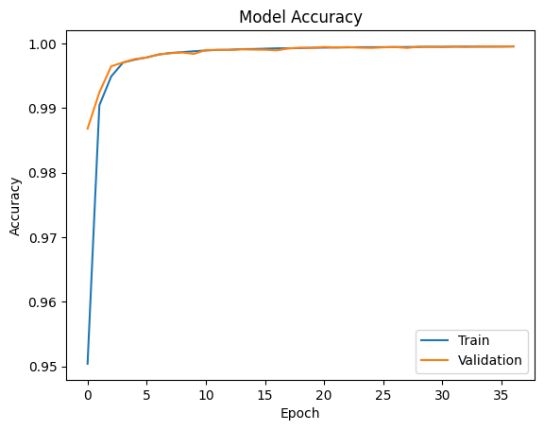
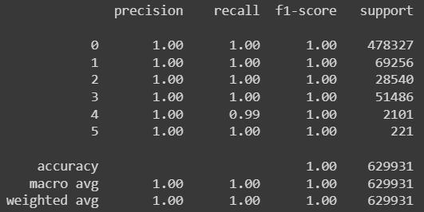
 |  | ESPERIMENTO #7
 |  | Obiettivo: | valutare l'utilizzo di StratifiedShuffleSplit
 |  |  |  | random_state=5 | (per ripetibilità) | X_train.shape, y_train.shape, X_test.shape, y_test.shape = ((1469838, 35), (1469838, 6), (629931, 35), (629931, 6)) |  |  | TRAIN: loss: 0.0023 - accuracy: 0.9995
 |  | Hyper_prms |  |  |  |  |  |  | VALID: val_loss: 0.0024 - val_accuracy: 0.9995
 | epochs | 45
 | batch_size | 1024 |  |  |  |  |  |  | Test Loss: 0.0023326 Test Accuracy: 0.9995428
 | validation_split | 0.15 |  | Model: "sequential" _________________________________________________________________ Layer (type) Output Shape Param # ================================================================= dense (Dense) (None, 64) 2304 dense_1 (Dense) (None, 32) 2080 dense_2 (Dense) (None, 6) 198 ================================================================= Total params: 4582 (17.90 KB) Trainable params: 4582 (17.90 KB) Non-trainable params: 0 (0.00 Byte)
 | verbose | 2

 | early_stopping_patience | 5 | FERMATO A 45 tot EPOCHE
 | evaluation_batch_size | 256
 |  |  |  |  |  |  |  |  | ROC-AUC for class 0: | 0.9999420560718
 | n_splits | 5 |  |  |  |  |  |  | ROC-AUC for class 1: | 0.9999393179511
 | test_size | 0.3 |  |  |  |  |  |  | ROC-AUC for class 2: | 0.9999921970201
 |  |  |  |  |  |  |  |  | ROC-AUC for class 3: | 0.9999840813452
 |  |  |  |  |  |  |  |  | ROC-AUC for class 4: | 0.9999464289571
 |  |  |  |  |  |  |  |  | ROC-AUC for class 5: | 0.9999999640717
 |  |  |  |  |  |  |  |  | Micro-average ROC-AUC: | 0.9999673409028 | Class 0 Specificity: 0.9987005619904488 Class 0 False Positive Rate: 0.0012994380095511992 Class 1 Specificity: 0.9999661122753823 Class 1 False Positive Rate: 3.388772461764837e-05 Class 2 Specificity: 0.9999950115648555 Class 2 False Positive Rate: 4.98843514452328e-06 Class 3 Specificity: 0.9999706108618797 Class 3 False Positive Rate: 2.9389138120305303e-05 Class 4 Specificity: 0.9999920360607171 Class 4 False Positive Rate: 7.963939282926907e-06 Class 5 Specificity: 0.9999984119674136 Class 5 False Positive Rate: 1.5880325864286736e-06

 |  |  |  |  |  |  |  |  | Accuracy: 0.999543
 |  |  |  |  |  |  |  |  | Precision: 0.999543
 |  |  |  | Valutazione complessiva, migliorato? |  | TRUE |  |  | Recall: 0.999543
 | Valori troppo buoni... si studiano eventuali problemi |  |  |  | peggiorato? | FALSE |  |  | F1 score: 0.999543

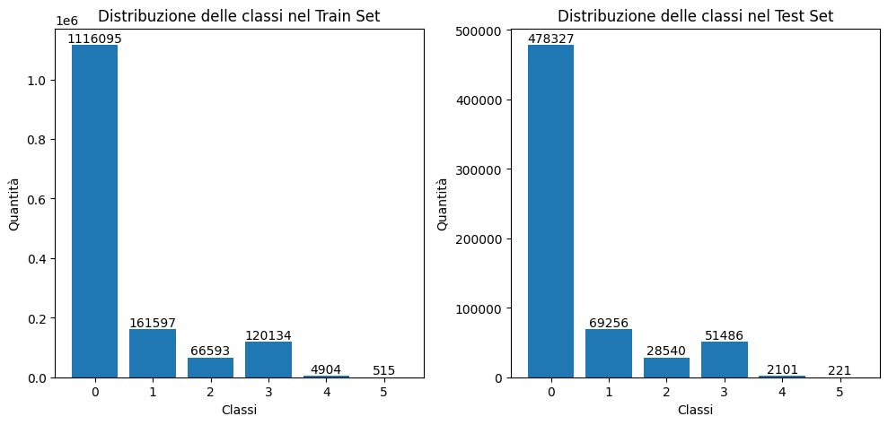
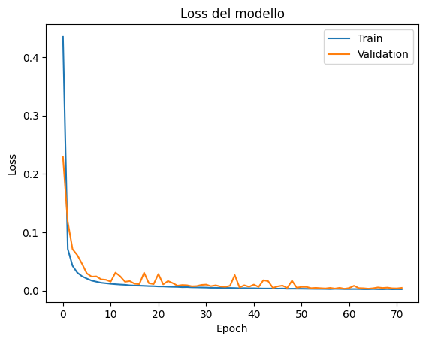
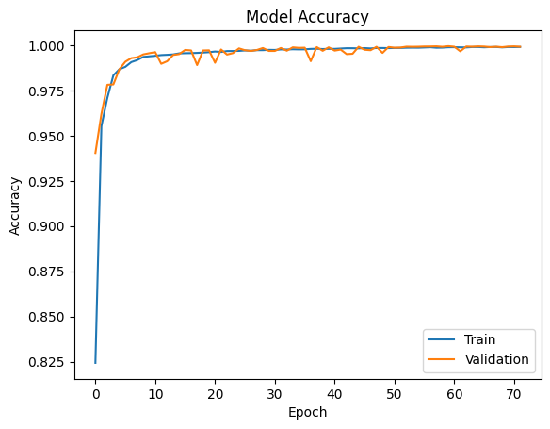


 |  | ESPERIMENTO #8
 |  | Obiettivo: | studio del class Weighting per evitare bias dovuti ad imbalanced data
 |  |  |  | random_state=5 | (per ripetibilità) | X_train.shape, y_train.shape, X_test.shape, y_test.shape = ((1469838, 35), (1469838, 6), (629931, 35), (629931, 6)) |  |  | TRAIN: loss: 0.0020 - accuracy: 0.9991
 |  | Hyper_prms |  |  |  |  |  |  | VALID: val_loss: 0.0036 - val_accuracy: 0.9992
 | epochs | 150
 | batch_size | 1024 |  |  |  |  |  |  | Test Loss: 0.0027823 Test Accuracy: 0.999526
 | validation_split | 0.2 |  | Model: "sequential" _________________________________________________________________ Layer (type) Output Shape Param # ================================================================= dense (Dense) (None, 64) 2304 dense_1 (Dense) (None, 32) 2080 dense_2 (Dense) (None, 6) 198 ================================================================= Total params: 4582 (17.90 KB) Trainable params: 4582 (17.90 KB) Non-trainable params: 0 (0.00 Byte)
 | verbose | 2
 | early_stopping_patience | 12 | FERMATO A 73 tot EPOCHE
 | evaluation_batch_size | 512
 |  |  |  |  |  |  |  |  | ROC-AUC for class 0: | 0.9999592100459
 | n_splits | 5 |  |  |  |  |  |  | ROC-AUC for class 1: | 0.9999508868992
 | test_size | 0.3 |  |  |  |  |  |  | ROC-AUC for class 2: | 0.9999998736869
 | learning_rate | 0.0008 |  |  |  |  |  |  | ROC-AUC for class 3: | 0.9999930974667

 |  |  |  |  |  |  |  |  | ROC-AUC for class 4: | 0.9999936489385
 |  |  |  |  |  |  |  |  | ROC-AUC for class 5: | 0.9999999856287
 |  |  |  |  |  |  |  |  | Micro-average ROC-AUC: | 0.9999827837776 | Class 0 Specificity: 0.9988126962349279 Class 0 False Positive Rate: 0.0011873037650721617 Class 1 Specificity: 0.9999197395995898 Class 1 False Positive Rate: 8.026040041021983e-05 Class 2 Specificity: 0.9999950115648555 Class 2 False Positive Rate: 4.98843514452328e-06 Class 3 Specificity: 0.999934306632437 Class 3 False Positive Rate: 6.569336756303538e-05 Class 4 Specificity: 0.9999554019400156 Class 4 False Positive Rate: 4.459805998439068e-05 Class 5 Specificity: 0.9999936478696543 Class 5 False Positive Rate: 6.352130345714694e-06

 |  |  |  |  |  |  |  |  | Accuracy: 0.999527
 |  |  |  |  |  |  |  |  | Precision: 0.999527
 |  |  |  | Valutazione complessiva, migliorato? |  | TRUE |  |  | Recall: 0.999527
 |  |  |  |  | peggiorato? | FALSE |  |  | F1 score: 0.999527

